1. avg followers , followers ga
Average of Followers Gained and Viewers per Stream
 | AVERAGE FOLLOWERS GAINED | AVERAGE VIEWERS

2. Length of Stream
AVERAGE of TOTAL_TIME_STREAMED

AVERAGE of ACTIVE_DAYS_PER_WEEK

3. Days most active and most ga
Most Active Day
Most Day With Follower

4. most games played
Most Streamed Game
2nd Most Streamed Game

language
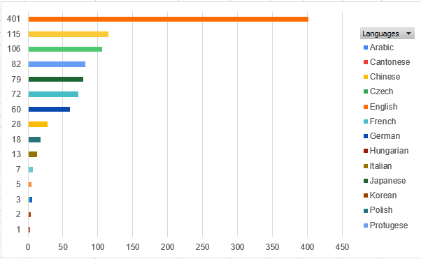
no 6. for the languages and type of streamer
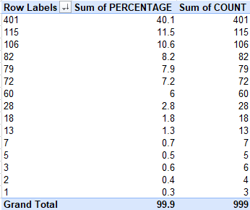
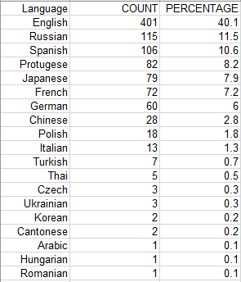

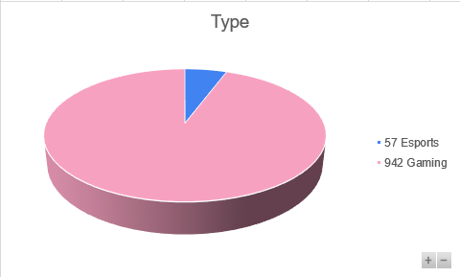

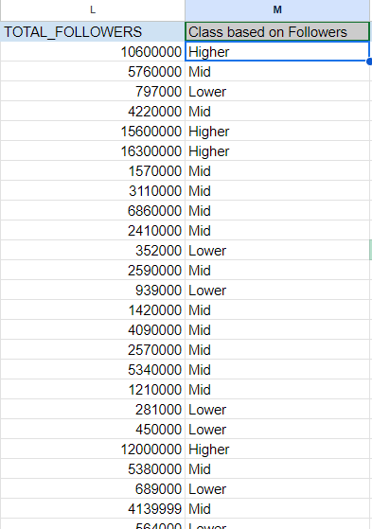
docu for getting class based on followers
class via followers

 | IF(L2>3000000,"Higher",IF(L2>500000,"Mid",IF(AND(L2<500000,L2>0),"Lower","Uncertain")))

number of games played
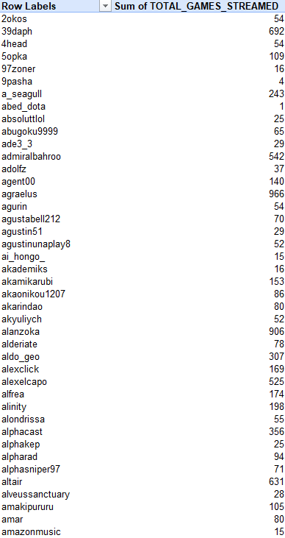
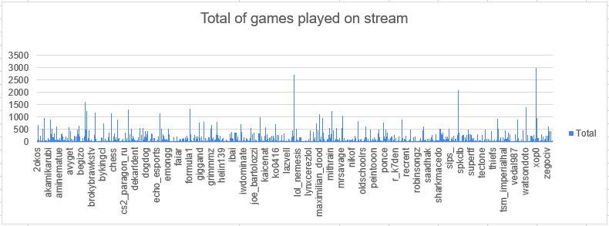

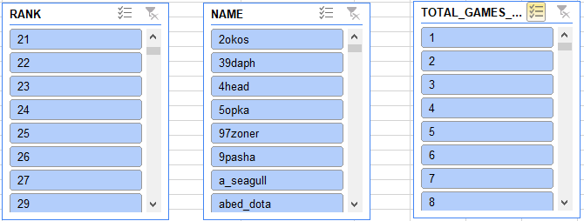

Dashboard



